Sheet1
Table 4 Molecular docking between ligand and receptor from an LRI predicted by LRI-SEnSCA on Dataset 4
 | Ligand-Receptor | Gene Names | PDB ID | Molecular docking | Interface area | ∆iG | NHB | NSB | Hydrogen bonds | Salt bridges
1 | P02776 | PF4 | 1TVX | 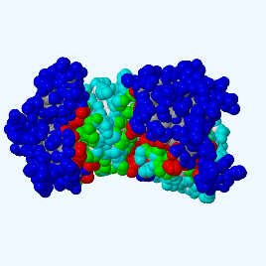 | 2482.3 | -36.3 | 26 | 12 | 3.05 | 3.71
 | P02638 | S100B | 5D7F
2 | P52272 | HNRNPM | 2OT8 | 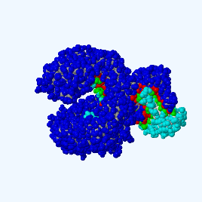 | 3108.2 | -37.6 | 38 | 16 | 3.59 | 3.31
 | P05109 | S100A8 | 4GGF
3 | P31151 | S100A7 | 1PSR | 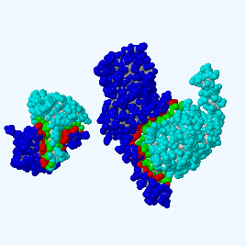 | 2571.4 | -28.0 | 34 | 18 | 2.67 | 2.82
 | P01258 | CALCA | 7TYO
4 | P04985 | ELN | 6G30 | 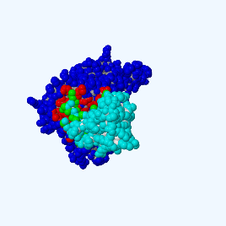 | 813.7 | -12.5 | 16 | 0 | 2.94 | 0
 | A0N0R1 | CCL3 | 5COY
5 | P08949 | NMB | 8H0P | 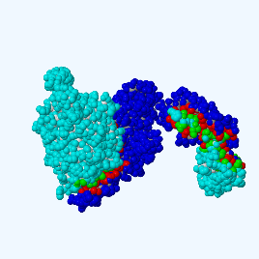 | 3003.0 | -38.9 | 34 | 10 | 2.31 | 2.65
 | P35613-3 | BSG | 3I84
6 | P03973 | SLPI | 2Z7F | 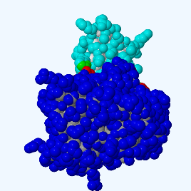 | 733.7 | -14.8 | 8 | 0 | 3.16 | 0
 | P14555 | PLA2G2A | 3U8I
7 | P52803 | EFNA5 | 4L0P | 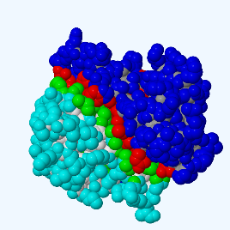 | 1587.3 | -33.1 | 16 | 3 | 3.62 | 2.80
 | P05109 | S100A8 | 4GGF
8 | P05113 | IL5 | 1NTE | 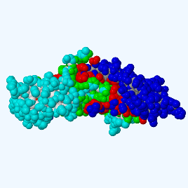 | 2221.4 | -23.7 | 40 | 3 | 3.25 | 3.18
 | P01225 | FSHB | 4AY9
9 | O60595 | IL12A | 1F45 | 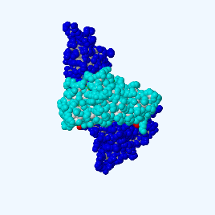 | 1114.4 | -9.1 | 18 | 3 | 2.85 | 2.46
 | P81534 | DEFB103A | 1KJ6
10 | A0N0Q3 | CCL28 | 6CWS | 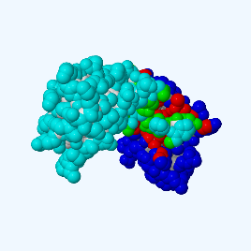 | 821.4 | -11.7 | 9 | 0 | 3.26 | 0
 | Q16627-2 | CCL14 | 2Q8R
11 | P31151 | S100A7 | 1PSR | 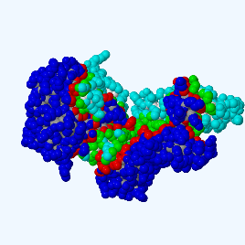 | 2680.9 | -42.7 | 34 | 13 | 2.98 | 2.82
 | P15692 | VEGFA | 1MKK
12 | P04271 | S100B | 5D7F | 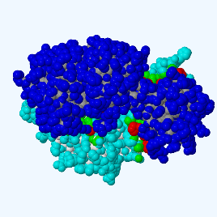 | 2821.7 | -33.1 | 28 | 22 | 2.64 | 3.71
 | F1T097 | RXRG | 7A79
13 | P07492 | GRP | 5YP8 | 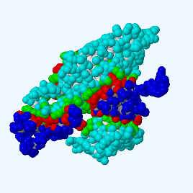 | 3148.1 | -31.4 | 56 | 3 | 2.86 | 2.49
 | P01225 | FSHB | 4AY9
14 | O00175 | CCL24 | 1EIG | 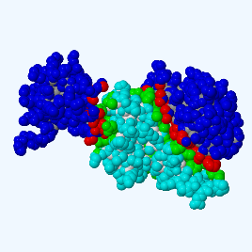 | 1949.4 | -36.2 | 18 | 7 | 3.07 | 3.51
 | P06702 | S100A9 | 4GGF
15 | P01215 | CGA | 7UTZ | 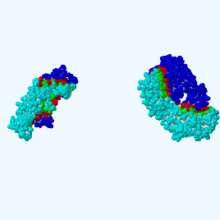 | 3954.5 | -50.4 | 49 | 3 | 2.97 | 2.34
 | Q969H8 | MYDGF | 6SVL
16 | P10720 | PF4V1 | 4HSV | 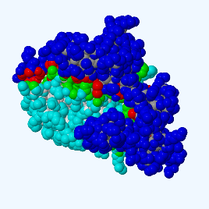 | 1507.1 | -19.5 | 21 | 0 | 3.72 | 0.00
 | P51671 | CCL11 | 7SCS
17 | P01270 | PTH | 1ET1 | 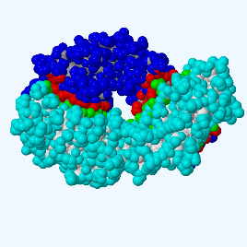 | 1765.0 | -23.5 | 17 | 2 | 2.87 | 2.90
 | P19875 | CXCL2 | 5OB5
18 | D4HNR6 | IL4 | 2D48 | 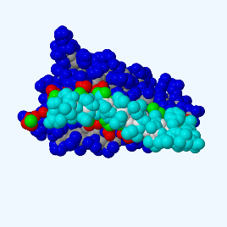 | 609.4 | -11.5 | 2 | 2 | 2.27 | 2.27
 | O43914-2 | TYROBP | 4WOL
19 | P10720 | PF4V1 | 4HSV | 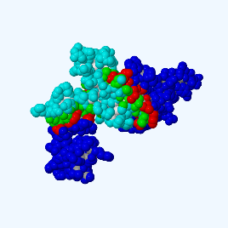 | 1149.7 | -17.4 | 14 | 0 | 2.87 | 0
 | P81534 | DEFB103A | 1KJ6
20 | P01225 | FSHB | 4AY9 | 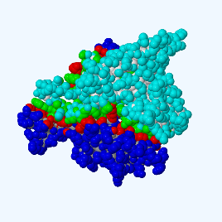 | 2908.7 | -24.5 | 51 | 9 | 3.86 | 2.39
 | P51858 | HDGF | 6IIP
21 | P01225 | FSHB | 4AY9 | 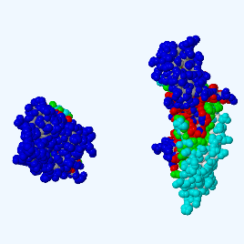 | 3158.7 | -36.0 | 55 | 11 | 2.49 | 2.49
 | P12272-2 | PTHLH | 7UZO
22 | P01222 | TSHB | 7UTZ | 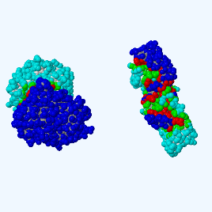 | 3264.5 | -25.7 | 47 | 13 | 2.34 | 2.34
 | F1T097 | RXRG | 7A79
23 | P29459 | IL12A | 1F45 | 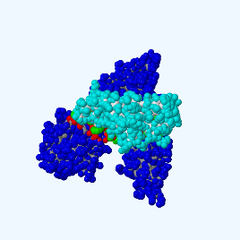 | 1721.9 | -19.6 | 20 | 4 | 3.48 | 2.46
 | P25445-2 | FAS | 4TKB
24 | P03968 | FGF1 | 1RG8 | 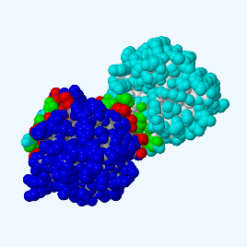 | 876.9 | -4.3 | 10 | 9 | 3.00 | 3.00
 | P28799 | GRN | 6ODG
25 | P01222 | TSHB | 7UTZ | 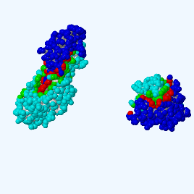 | 3197.6 | -33.3 | 45 | 8 | 2.34 | 2.34
 | P78556 | CCL20 | 7T1E
26 | A0N0Q3 | CCL28 | 6CWS | 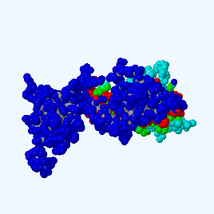 | 2103.3 | -30.6 | 15 | 5 | 2.83 | 2.83
 | Q9HCY8 | S100A14 | 2M0R
27 | D4HNR6 | IL4 | 2D48 | 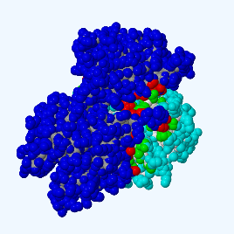 | 1552.0 | -3.9 | 13 | 8 | 2.65 | 3.92
 | P08493 | MGP | 4TPW
28 | P01148 | GNRH1 | 7BR3 | 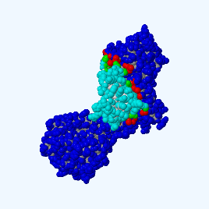 | 934.8 | -11.9 | 7 | 1 | 3.67 | 3.87
 | Q16627 | CCL14 | 2Q8R
29 | P10997 | IAPP | 5E5V | 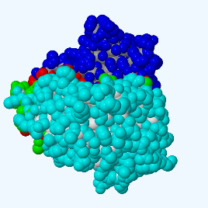 | 1183.7 | -7.9 | 17 | 0 | 2.99 | 0
 | P16070-19 | CD44 | 4PZ3
30 | P02679 | FGG | 2Y7L | 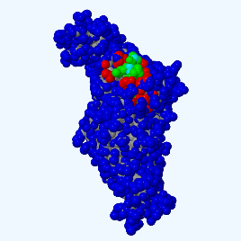 | 629.6 | -4.9 | 11 | 2 | 3.01 | 3.23
 | P81534 | DEFB103A | 1KJ6

